Mind Map
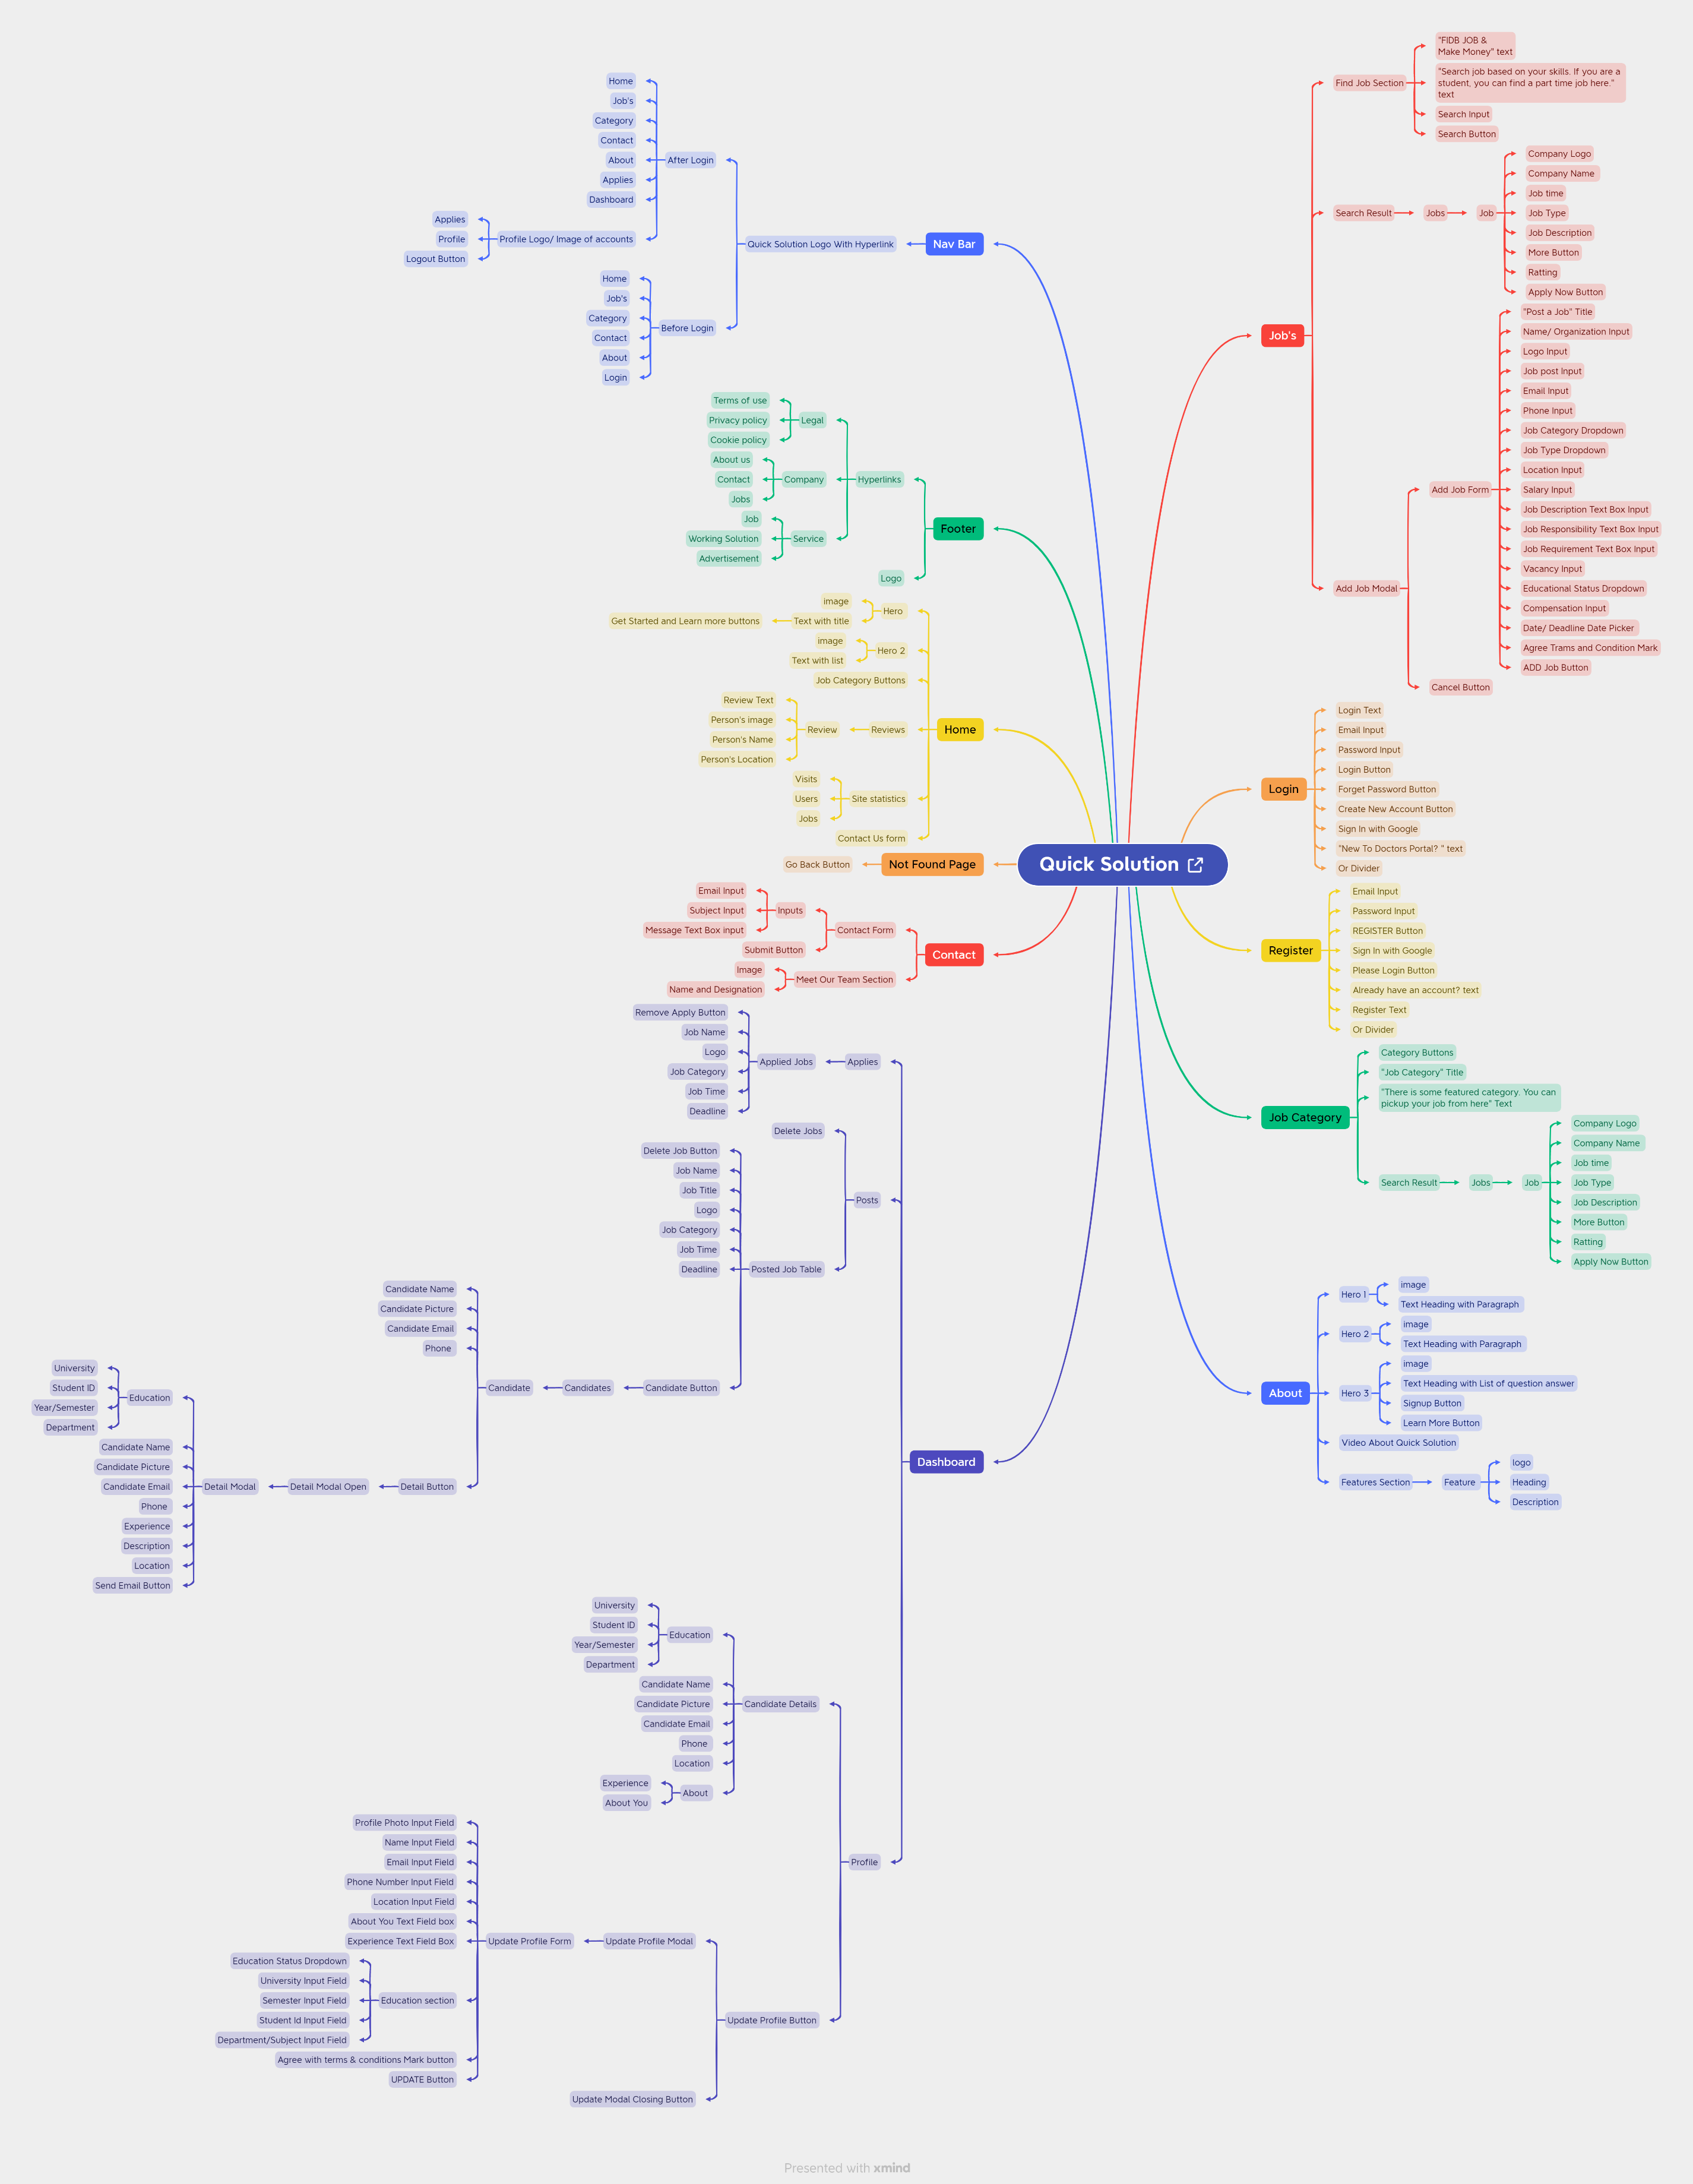

Report
TEST CASE REPORT
Project Name | Quick Solution
Module Name | Register and Sign In
Test Case Version | Final
Written By | Abdullah Mohammod Sayid Boiah
Executed By | Abdullah Mohammod Sayid Boiah
Reviewed By | Atik Sharire Akash |  |  |  |  |  | Result :
TEST EXECUTION REPORT |  |  |  |  |  |  | New Features | Testing Scope | Testing Environment : | Google Chrome Browser

Test Case | PASS |  | FAIL | Not Executed | Out Of Scope | Total TC
 | 47 |  | 10 | 0 | 0 | 57
 |  |  |  |  |  |  | Total No. | Status
 |  |  |  |  |  |  | 47 | PASSED
Grand Total | 47 |  | 12 | 0 | 0 | 57 | 10 | FAILED
 |  |  |  |  |  |  | 0 | Not Executed
 |  |  |  |  |  |  | 0 | Out of Scope
LIMITATIONS
Documents |  | Received | Useful
PRD |  | No | No
USER STORY |  | No | No

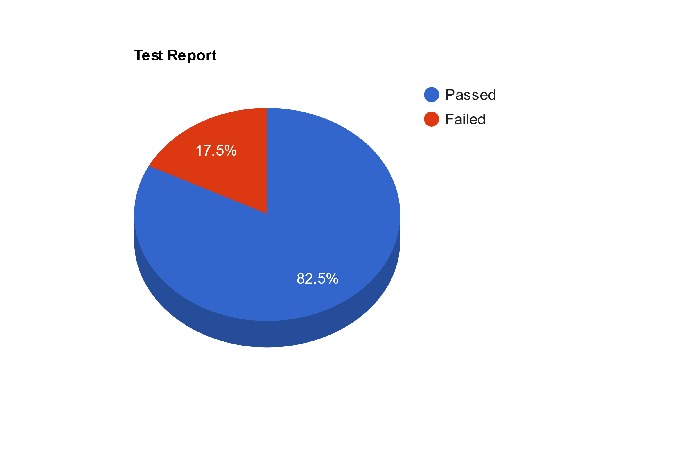

 |  | Testing Type in Scope |  | Descriptoon

Yes/ No. Justification (If No): |  | Functional Testing |  | This type of testing ignores the internal parts and focuses only on the output to check if it is as per the requirement or not.

Yes/ No. Justification (If No): |  | Usability Testing |  | Test application from user friendliness perspective.

Yes/ No. Justification (If No): |  | UI Testing |  | UI Testing, also known as GUI Testing is basically a mechanism meant to test the aspects of any software that a user will come into contact with.

Yes/ No. Justification (If No): |  | Browser Compatibility Testing |  | Browser Compatibility Testing is performed for web applications and it ensures that the software can run with the combination of different browser.

Yes/ No. Justification (If No): |  | Boundary Value Testing |  | There is an upper and lower boundary for each range and testing is performed on these boundary values.

